Introduction
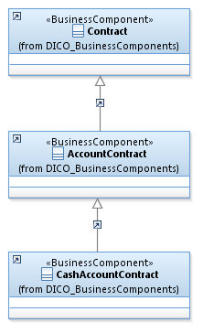
Introduction

This document describes the Business Model Components and Elements used by the Collateral Management message definitions.

In the “Business Model” tab, the cells with text in green indicate the business concepts used by the Collateral Management message set

The “Traces” tab shows to which business concepts the Collateral Management message components and message elements trace.

Notes:
 | Specialisation | Some components inherit from a parent. In this illustration, the AccountContract is a specialisation (a child) of Contract and inherits from all its elements.
 |  | CashAccountContract inherits AccountContract and indirectly from Contract.

CollateralManagement
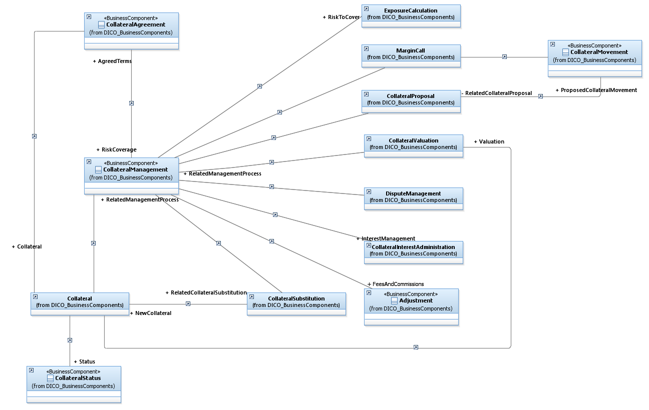

RiskEvaluation
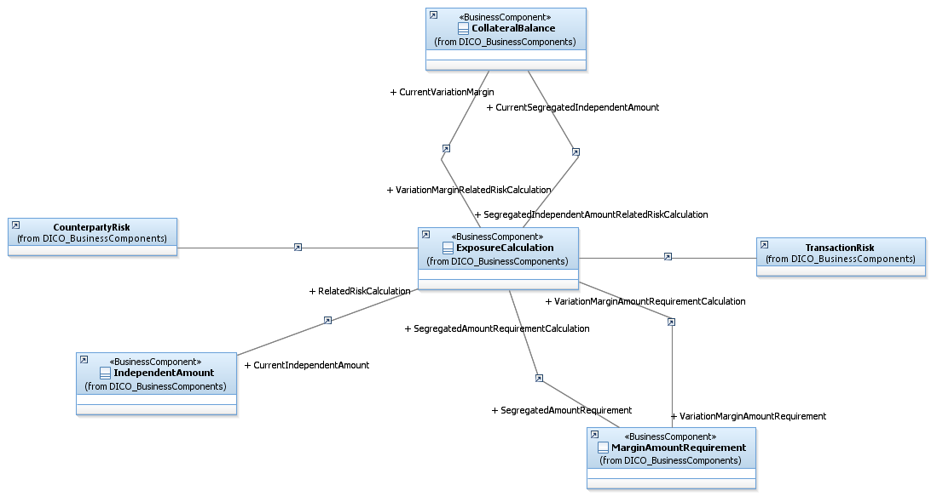

The risk can be calculated by transaction type or by counterparty or both.
The evaluation of the risk must take into account the terms of the CollateralAgreement
The amounts already provided as Collateral must also be takent into account
The results of these calculations are indicated as the requirements

MarginCall
